Placements by Month
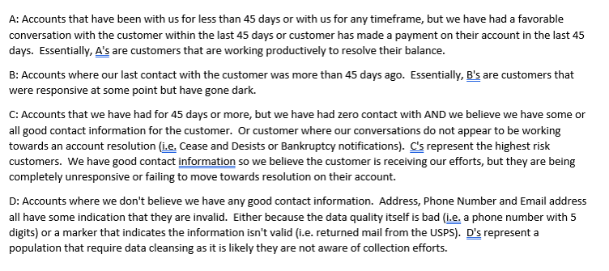
ConversionRate | 1.3658
Month Assigned | Accounts | Original Assigned | Additional Charges | Total Assigned | Paid | Paid % | Credit | Credit % | Stop Amt | Stop Amt % | Resolved | Resolved % | $Exhausted | Resolved & $Exhuasted % | Current Qty | $Current | At ARM Active Qty | At ARM Active | Total Assigned to ARM - Current & Active Qty | Total Assigned to ARM - Current & Active $ | Active % | Reconciliation
July 2022 | 23178 | $22,489,739.64 | $18,478,249.36 | $40,967,989.00 | $16,468,367.17 | 40% | $10,540,126.08 | 26% | $7,711,367.78 | 19% | $34,719,861.03 | 85% | $6,248,127.98 | 100% | 0 | $0.00 | 0 | $0.00 | 0 | $0.00 | 0% | $0.00
August 2022 | 18047 | $18,661,820.62 | $16,843,629.20 | $35,505,449.81 | $18,041,691.46 | 51% | $10,310,645.41 | 29% | $13,085,986.11 | 37% | $41,438,322.98 | 117% | -$5,932,873.17 | 100% | 0 | $0.00 | 0 | $0.00 | 0 | $0.00 | 0% | $0.00
October 2022 | 14381 | $38,527,533.24 | $19,482,042.14 | $58,009,575.38 | $20,517,846.64 | 35% | $11,843,299.87 | 20% | $11,010,298.10 | 19% | $43,371,444.61 | 75% | $14,638,130.77 | 100% | 0 | $0.00 | 0 | $0.00 | 0 | $0.00 | 0% | $0.00
November 2022 | 66460 | $53,812,437.79 | $21,294,384.61 | $75,106,822.40 | $16,364,586.26 | 22% | $15,956,109.92 | 21% | $39,336,880.96 | 52% | $71,657,577.14 | 95% | $3,449,245.26 | 100% | 0 | $0.00 | 0 | $0.00 | 0 | $0.00 | 0% | $0.00
December 2022 | 23078 | $67,888,317.37 | $28,456,608.05 | $96,344,925.42 | $23,740,807.96 | 25% | $24,711,976.25 | 26% | $29,275,918.12 | 30% | $77,728,702.33 | 81% | $18,611,348.10 | 100% | 0 | $0.00 | 2 | $4,874.99 | 2 | $4,874.99 | 0% | $0.00
January 2023 | 74359 | $51,957,005.00 | $24,369,848.20 | $76,326,853.20 | $20,202,106.77 | 26% | $22,629,413.89 | 30% | $28,517,800.53 | 37% | $71,349,321.18 | 93% | $4,964,247.51 | 100% | 0 | $0.00 | 1 | $13,284.50 | 1 | $13,284.50 | 0% | $0.00
February 2023 | 48304 | $37,165,362.71 | $12,438,909.04 | $49,604,271.74 | $21,931,211.81 | 44% | $7,734,191.72 | 16% | $14,813,310.56 | 30% | $44,478,714.09 | 90% | $5,117,511.83 | 100% | 0 | $0.00 | 4 | $8,045.82 | 4 | $8,045.82 | 0% | $0.00
March 2023 | 39414 | $41,200,194.50 | $10,475,321.58 | $51,675,516.09 | $19,654,292.32 | 38% | $5,470,888.70 | 11% | $18,437,385.28 | 36% | $43,562,566.30 | 84% | $8,108,547.10 | 100% | 0 | $0.00 | 2 | $4,402.69 | 2 | $4,402.69 | 0% | $0.00
April 2023 | 31689 | $26,201,945.87 | $4,220,001.25 | $30,421,947.12 | $7,637,418.60 | 25% | $1,954,435.41 | 6% | $15,077,601.74 | 50% | $24,669,455.75 | 81% | $5,752,491.37 | 100% | 0 | $0.00 | 0 | $0.00 | 0 | $0.00 | 0% | $0.00
May 2023 | 62868 | $53,812,019.52 | $13,469,781.23 | $67,281,800.75 | $21,327,086.16 | 32% | $8,246,105.78 | 12% | $15,624,268.12 | 23% | $45,197,460.07 | 67% | $22,084,340.68 | 100% | 0 | $0.00 | 0 | $0.00 | 0 | $0.00 | 0% | $0.00
June 2023 | 50438 | $38,600,211.20 | $10,857,658.98 | $49,457,870.18 | $19,829,483.86 | 40% | $6,671,648.91 | 13% | $12,123,615.71 | 25% | $38,624,748.49 | 78% | $10,807,736.26 | 100% | 5 | $699.29 | 14 | $24,686.14 | 19 | $25,385.43 | 0% | $0.00
July 2023 | 41736 | $42,752,181.72 | $14,538,456.53 | $57,290,638.25 | $23,331,918.65 | 41% | $8,828,179.07 | 15% | $13,125,712.38 | 23% | $45,285,810.11 | 79% | $11,881,932.74 | 100% | 4 | $53,082.48 | 44 | $69,812.91 | 48 | $122,895.39 | 0% | $0.00
August 2023 | 56563 | $60,639,625.29 | $19,249,814.64 | $79,889,439.93 | $33,428,839.38 | 42% | $9,837,910.28 | 12% | $16,579,625.36 | 21% | $59,846,375.02 | 75% | $19,649,037.09 | 100% | 57 | $16,674.23 | 211 | $377,353.59 | 268 | $394,027.82 | 0% | $0.00
September 2023 | 27388 | $27,377,547.30 | $7,995,773.81 | $35,373,321.11 | $13,920,536.49 | 39% | $4,225,850.96 | 12% | $9,158,246.03 | 26% | $27,304,633.49 | 77% | $8,029,242.09 | 100% | 4 | $891.58 | 39 | $38,553.95 | 43 | $39,445.53 | 0% | $0.00
October 2023 | 38773 | $37,568,610.65 | $9,902,010.75 | $47,470,621.40 | $17,476,674.80 | 37% | $4,063,268.44 | 9% | $16,725,337.51 | 35% | $38,265,280.74 | 81% | $8,885,968.95 | 99% | 32 | $10,348.56 | 160 | $309,023.16 | 192 | $319,371.71 | 1% | $0.00
November 2023 | 61453 | $41,798,582.03 | $29,400,037.05 | $71,198,619.07 | $39,228,961.14 | 55% | $8,550,794.48 | 12% | $7,348,635.90 | 10% | $55,128,391.52 | 77% | $12,333,927.70 | 95% | 3529 | $938,113.72 | 4266 | $2,798,186.14 | 7795 | $3,736,299.86 | 5% | $0.00
December 2023 | 127167 | $45,572,269.06 | $51,939,553.51 | $97,511,822.57 | $68,554,226.31 | 70% | $7,280,059.36 | 7% | $9,288,072.19 | 10% | $85,122,357.87 | 87% | $909,483.06 | 88% | 20799 | $7,169,136.32 | 5371 | $4,310,845.31 | 26170 | $11,479,981.63 | 12% | $0.00
January 2024 | 65527 | $23,037,052.09 | $14,311,595.89 | $37,348,647.98 | $23,148,164.78 | 62% | $2,608,878.31 | 7% | $3,320,939.16 | 9% | $29,077,982.25 | 78% | $4,260,005.60 | 89% | 5159 | $1,540,939.26 | 3294 | $2,469,720.87 | 8453 | $4,010,660.12 | 11% | $0.00
February 2024 | 61888 | $24,350,127.40 | $14,379,755.80 | $38,729,883.20 | $23,812,286.62 | 61% | $1,992,786.34 | 5% | $4,025,367.67 | 10% | $29,830,440.63 | 77% | $1,122,418.15 | 80% | 7995 | $3,067,140.91 | 5149 | $4,709,883.50 | 13144 | $7,777,024.42 | 20% | $0.00
March 2024 | 76725 | $45,233,587.90 | $19,680,679.73 | $64,914,267.63 | $28,204,574.91 | 43% | $3,569,549.08 | 5% | $11,763,790.06 | 18% | $43,537,914.05 | 67% | $1,429,972.44 | 69% | 13958 | $6,198,732.49 | 11778 | $13,747,648.65 | 25736 | $19,946,381.14 | 31% | $0.00
April 2024 | 68881 | $28,215,280.21 | $9,535,178.79 | $37,750,459.00 | $12,122,075.73 | 32% | $1,400,671.89 | 4% | $2,389,750.02 | 6% | $15,912,497.64 | 42% | $482,199.31 | 43% | 29260 | $8,930,306.75 | 11486 | $12,425,455.30 | 40746 | $21,355,762.06 | 57% | $0.00
May 2024 | 45016 | $17,699,110.54 | $1,381,478.50 | $19,080,589.04 | $1,194,960.25 | 6% | $342,439.34 | 2% | $302,302.28 | 2% | $1,839,701.87 | 10% | -$805,237.35 | 5% | 35845 | $10,353,428.33 | 6844 | $7,692,696.20 | 42689 | $18,046,124.53 | 95% | $0.00
Summary | 1123333 | $844,560,561.64 | $372,700,768.62 | $1,217,261,330.27 | $490,138,118.08 | 40% | $178,769,229.51 | 15% | $299,042,211.58 | 25% | $967,949,559.17 | 80% | $162,027,803.46 | 93% | 116647 | $38,279,493.91 | 48665 | $49,004,473.72 | 165312 | $87,283,967.64 | 7% | $0.00

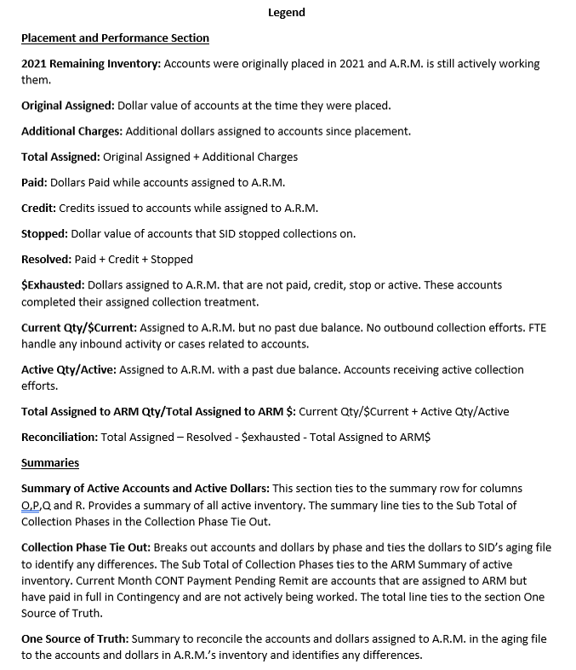
ARM SUMMARY | Accounts | Dollars
At ARM - Active in Treatment | 48665 | $49,004,473.72
At ARM - Active Current Balance | 116647 | $38,279,493.91
Summary | 165312 | $87,283,967.64

Collection Phase Tie Out | Accounts | ARM | SID Aging | Difference
1st Party | 149469 | $61,299,885.79 | $61,299,886.29 | $0.00
3rd Party Flat Fee | 10862 | $19,674,526.49 | $19,674,526.49 | $0.00
3rd Party Contingency | 4981 | $6,309,554.88 | $6,163,271.94 | -$146,282.94
Sub Total of Collection Phases | 165312 | $87,283,967.16 | $87,137,684.72 | -$146,282.94
Closed by Agency litigious | 41 | $0.00 | $51,231.75 | $51,231.75
Puerto Rico not eligible for PREC/CONT | 261 | $0.00 | $243,221.50 | $243,221.50
Written Cease & Desist | 33 | $0.00 | $23,228.13 | $23,228.13
Existing account in BK Status | 2 | $0.00 | $4,241.83 | $4,241.83
last charge date beyond the statute of limitations | 12 | $0.00 | $22,814.33 | $22,814.33
Mail Return same address | 1059 | $0.00 | $1,871,677.18 | $1,871,677.18
Closed|Deceased | 3 | $0.00 | $528.12 | $528.12
Treatment Completed | 1202 | $0.00 | $2,260,695.90 | $2,260,695.90
Roll is not allowed | 1280 | $0.00 | $3,654,353.12 | $3,654,353.12
Invalid State or Zip Code | 8 | $0.00 | $40,880.57 | $40,880.57
Treatment Complete within last 14 days | 4515 | $0.00 | $2,787,465.83 | $2,787,465.83
Cease & Desist | 88 | $0.00 | $67,315.39 | $67,315.39
NB but Balance < 0 | 31786 | $0.00 | -$18,337,892.29 | -$18,337,892.29
CONT accounts PIF within last 60 days or 14 days | 26 | $0.00 | $14,857.26 | $14,857.26
1STP NB but BK within last 45 days. | 3 | $0.00 | $917.50 | $917.50
Existing account in Dispute | 1415 | $0.00 | $1,848,452.86 | $1,848,452.86
Disputed|Backup Request | 1 | $0.00 | $157.72 | $157.72
Treatment Complete| | 40 | $0.00 | $52,248.17 | $52,248.17
Closed|Bankruptcy | 1 | $0.00 | $458.88 | $458.88
Disputed|Verbal | 8 | $0.00 | $6,725.47 | $6,725.47
Closed|Client | 1674 | $0.00 | $1,338,997.75 | $1,338,997.75
Mail Return| | 15 | $0.00 | $56,626.99 | $56,626.99
Dispute| | 59 | $0.00 | $102,286.51 | $102,286.51
Total | 208844 | $87,283,967.16 | $83,249,175.19 | -$4,034,792.47

One Source of Truth | Accounts | Dollars
SID 05.17.24 Aging File | 208844 | $83,249,175.19
ARM Summary for Tie Out | 165312 | $87,137,684.72
Difference | 43532 | -$3,888,509.53

Portfolio | ABCDAlignment | Qty | Dollars
Canadian Small Balance Portfolio | A | 17115 | $10,867,496.74
Canadian Small Balance Portfolio | B | 27 | $24,200.36
Canadian Small Balance Portfolio | C | 1425 | $1,085,316.36
Canadian Total |  | 18567 | $11,977,013.46
US Small Balance Portfolio | A | 131396 | $65,067,172.66
US Small Balance Portfolio | B | 196 | $518,504.92
US Small Balance Portfolio | C | 15129 | $9,664,038.90
US Small Balance Portfolio | D | 24 | $57,237.22
US Total |  | 146745 | $75,306,953.70
Combined Total |  | 165312 | $87,283,967.16

